1. Title Page
Instacart Basket Analysis

Project Name: Instacart Basket Analysis
Date: 08/05/2023
Analyst Name: Courtney E. Shatley

Contents:
Population Flow
Consistency checks
Wrangling steps
Column derivations
Visualizations
Recommendations

2. Population Flow
Title page

Population flow

Exclusion flag
Condition: max_order < 5
Obervations to be removed: 1,440,295
Final total count of order_products_all: 30,964,564

Orders_products_combined
Orders_products_merged
Orders_products_all

Total: 32,404,859
Total: 32,434,489
Total: 32,404,859

1.) The grey boxes in the first row of the population flow represent the original data sets as they were when you downloaded them. In the Total fields you need to add the count of the rows when you imported the data set into Jupyter.
2.) The second row of boxes (coloured) represents the data sets after you manipulated them, e.g., removed missing values and duplicates. In the Total fields you need to add the count of the rows after conducting these operations. This offers a visual oveview of how the data flows throughout the data consistency checks.
3.) The third row, where also the arrows are coloured, represents the merges you performed between the datasets. In the Total fields you need to add the count of the rows in the merged datasets, so that you end up with the final dataset (in the red box). Keep in mind the final dataset should be without exclusions (based on the exclusion flag).

3. Consistency checks
 |  |  |  | Title page
Consistency checks

Dataset | Missing values | Missing values treatment | Duplicates
orders | 206209 missing values from "days_since_last_order" column. | These were due to the customers only having made one order. Therefore, the values were left unchanged. | 0
products | 16 missing values from "product_name" column. | A new dataframe was created without these values. | 5 duplicates were removed
orders_products_prior | 0 | N/A | 0
departments | 0 | N/A | 0
customers | 11259 missing values from "first_name" column. | The correct names are unknown, however the "user_id" suffices for identification. These values were left unchanged. | 0

4. Wrangling steps
 |  |  |  | Title page
Wrangling steps

Columns dropped | Columns renamed | Columns' type changed | Comment/Reason
eval_set |  |  | Unnecessary variable
Unnamed: 0.1 |  |  | Unnecessary variable
Unnamed: 0_x |  |  | Unnecessary variable
Unnamed: 0_y |  |  | Unnecessary variable
 | "order_dow" to "orders_day_of_week" |  | Clarify variable
 | "days_since_prior_order" to "days_since_last_order" |  | Clarify variable
 | "First Name" to "first_name" |  | Variable name consistency
 | "Surnam" to "last_name" |  | Variable name consistency
 | "Gender" to "gender" |  | Variable name consistency
 | "STATE" to "state" |  | Variable name consistency
 | "Age" to "age" |  | Variable name consistency
 | "n_dependants" to "dependants" |  | Clarify variable
 | "fam_status" to "marital_status" |  | Clarify variable
 |  | "order_id" to str | Doesn't need to be numerical
 |  | "order_id" to int32 | Remedy memory error
 |  | "user_id" to int32 | Remedy memory error
 |  | "order_number" to int8 | Remedy memory error
 |  | "orders_day_of_week" to int8 | Remedy memory error
 |  | "order_hour_of_day" to int8 | Remedy memory error
 |  | "days_since_last_order" to float16 | Remedy memory error

5. Column derivations
 |  |  |  | Title page

Column derivations and aggregations

In this tab you should add tables below that the frequences of flags/label variables that you produced after deriving them. NB: don't do this for continuous variables, only for flags.
Dataset | New column | Column/s it was derived from | Conditions
orders_products | price_range_loc | prices | prices <= 5 are 'Low-range products' prices > 5 and <= 15 are 'Mid-range products' prices > 15 are 'High-range products'

orders_products | busiest_day | order_day_of_week | Saturday is the 'Busiest day' Wednesday is the 'Least busy' All other days are 'Regularly busy'

orders_products | busiest_days | order_day_of_week | Saturday and Sunday are 'Busiest days' Wednesday and Tuesday are 'Least busy days' All other days are 'Regularly busy'

orders_products | busiest_period_of_day | order_hour_of_day | The 8 hours with most orders are 'Most orders' The 8 hours with least orders are 'Fewest orders' The middle 8 hours are 'Average orders'

orders_products | loyalty_flag | max_order | Customers with max orders > 40 are 'Loyal customers' Customers with max orders > 10 and <= 40 are 'Regular customers' Customers with max orders < 10 are 'New customers'

orders_products | spending_flag | mean_price | Customers with mean prcies >10 are 'High Spenders' Customers with mean prcies <10 are 'Low Spenders'

orders_products | frequency_flag | median_days | Customers with median days > 20 are 'Non-frequent customers' Customers with median days > 10 and <= 20 are 'Regular customers' Customers with median days <= 10 are 'Frequent customers'

high_activity_customers | region | state | Northeast South Midwest West

high_activity_customers | age_group | age | Age >= 65 are 'Senior Adults' Age < 65 and >= 35 are 'Middle Age' Age < 35 are 'Young Adults'

high_activity_customers | income_group | income | Income >= 150000 are 'High Income' Income < 150000 and >= 50000 are 'Middle Income' Income < 50000 are 'Low Income'

high_activity_customers | dependents_flag | dependents | dependants = 0 are 'No dependents' dependants >=1 are 'Has dependents'

high_activity_customers | Young Adult | age, dependents, marital status | age < 35, no dependants, single = 'Young Single Adult' age < 35, no dependants, married = 'Young Married Adult' age < 35, has dependants, married = 'Young Married Adult Parent' age < 35, has dependants, single = 'Young Single Adult Parent'

high_activity_customers | Adult | age, dependents, marital status | age < 65 & >= 35, no dependants, single = 'Single Adult' age < 65 & >= 35, no dependants, married = 'Married Adult' age < 65 & >= 35, has dependants, married = 'Married Adult Parent' age < 65 & >= 35, has dependants, single = 'Single Adult Parent'

high_activity_customers | Senior | age, dependents, marital status | age > 65, no dependants, single = 'Single Senior' age > 65, no dependants, married = 'Married Senior' age > 65, has dependants, married = 'Married Senior Parent' age > 65, has dependants, single = 'Single Senior Parent'

orders_products | price_range | prices | prices <= 7.5 are 'Low-range products' prices > 7.5 and <= 17.5 are 'Mid-range products' prices > 17.5 are 'High-range products'

6. Visualizations
 |  |  |  |  | Title page

Visualisations

In this tab you should include all the visualtions from Exercises 4.9 and 4.10, alongside the questions from the project brief that they answer. Include any commentary on the relationship between different variables.

Q1 | The sales team needs to know what the busiest days of the week and hours of the day are (i.e., the days and times with the most orders) in order to schedule ads at times when there are fewer orders. |  | Q2 | They also want to know whether there are particular times of the day when people spend the most money, as this might inform the type of products they advertise at these times.
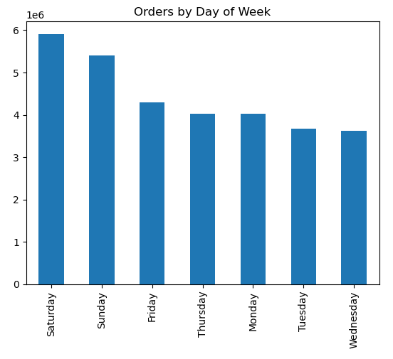
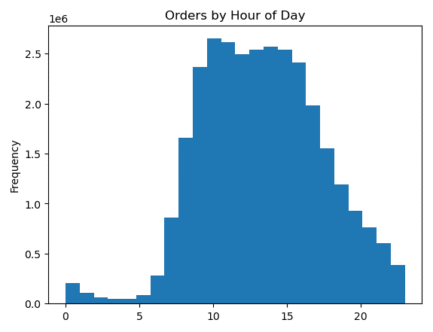
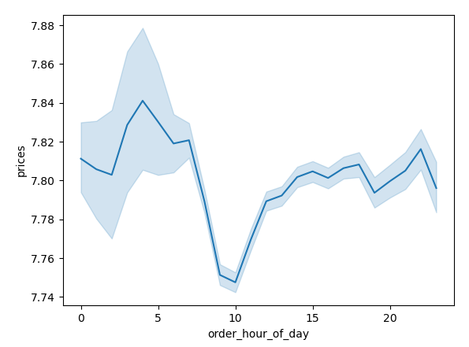

Observation |  | Observation | Observation
Busiest days are Saturday and Sunday. Least busiest days are Tuesday and Wednesday. |  | Busiest time between 9AM and 5PM. | Highest expense from 3AM to 5AM. Lowest expense at 10AM.

Q3 | Instacart has a lot of products with different price tags. Marketing and sales want to use simpler price range groupings to help direct their efforts. |  | Q4 | Are there certain types of products that are more popular than others? The marketing and sales teams want to know which departments have the highest frequency of product orders.
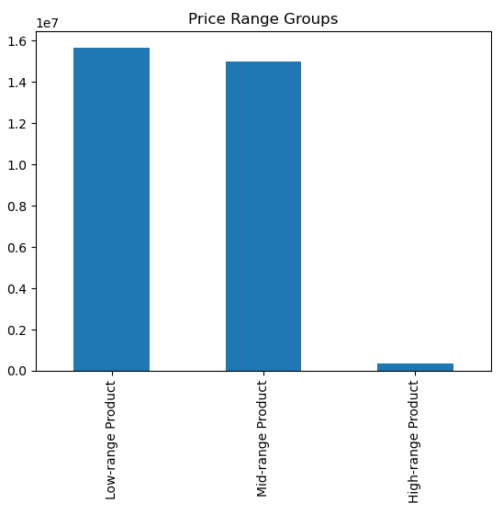
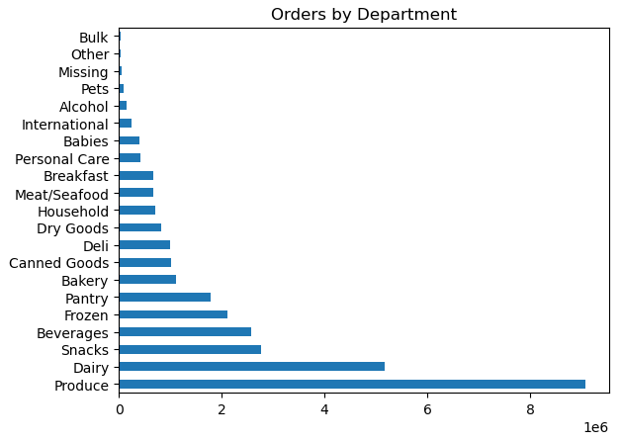

Observation |  |  | Observation
Most products fall into the low and medium price range. |  |  | Produce has significantly more orders than the other departments.

Q5 | What’s the distribution among users in regards to their brand loyalty (i.e., how often do they return to Instacart)? |  | Q6 | Are there differences in ordering habits based on a customer’s loyalty status?
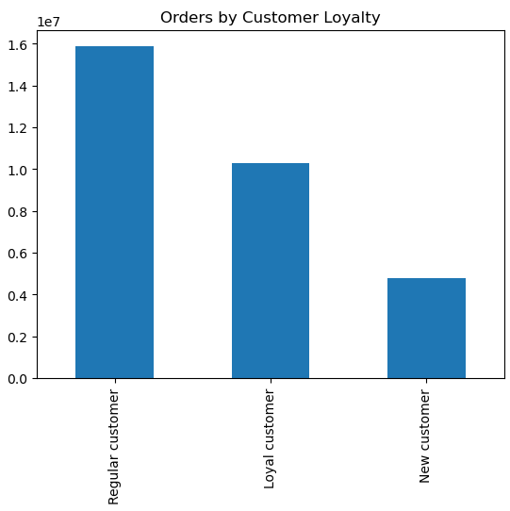
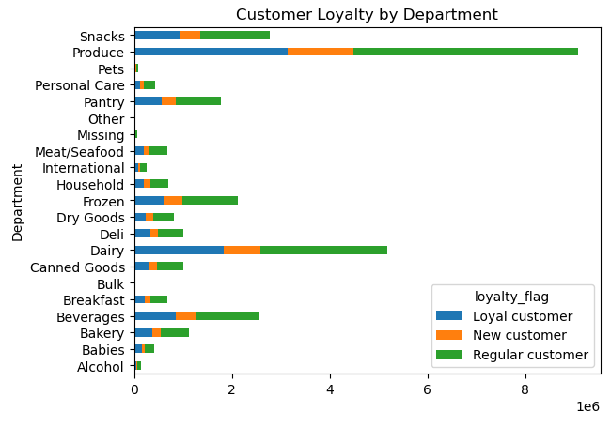
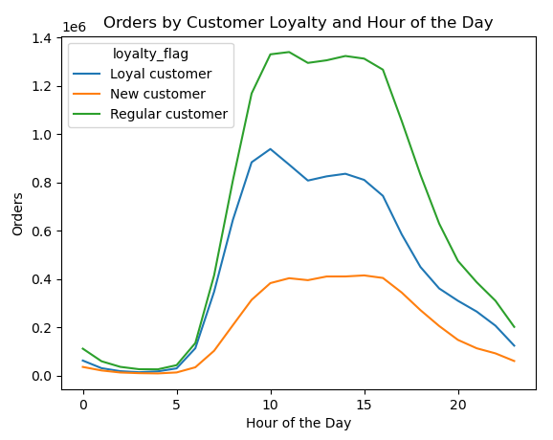

Observation |  |  | Observation |  |  | Observation
Regular customers submit the most orders. |  |  | No major difference seen between the loyalty groups. They are all consistent with the total results which show that the produce department is the most popular. |  |  | Customers place orders during the same hours of the day regardless of loyalty. This visual demonstrates the same results we saw prior where regular customers order the most.

Q7 | Are there differences in ordering habits based on a customer’s region? |  | Q8 | Is there a connection between age and family status in terms of ordering habits?
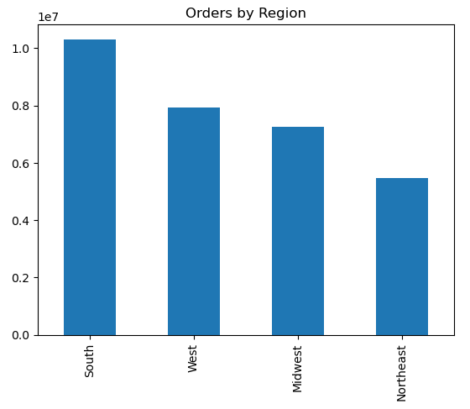
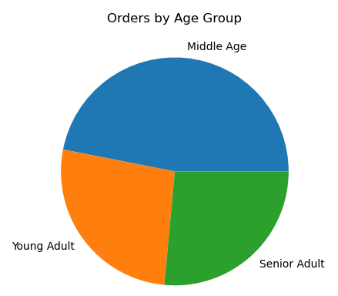
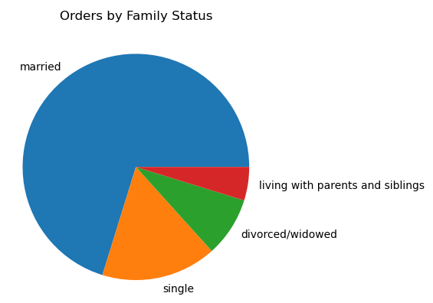

Observation |  |  | Observation |  |  | Observation
The South region has the most orders and the Northeast region has the least. |  |  | There are significantly more orders placed by married customers. |  |  | More orders are placed by middle aged customers.

Q9 | What different classifications does the demographic information suggest? Age? Income? Certain types of goods? Family status? |  | Q10 | What differences can you find in ordering habits of different customer profiles? Consider the price of orders, the frequency of orders, the products customers are ordering, and anything else you can think of.
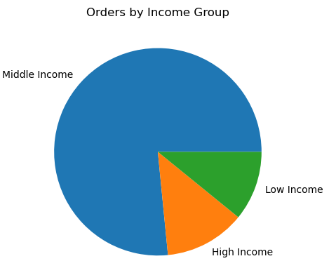
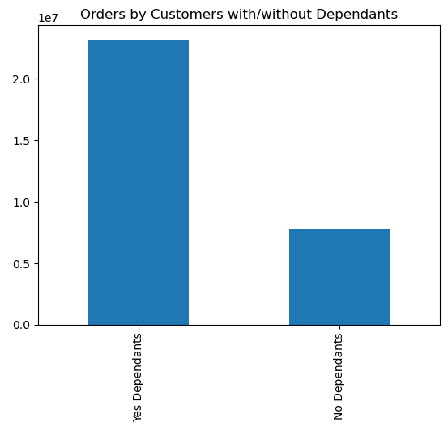
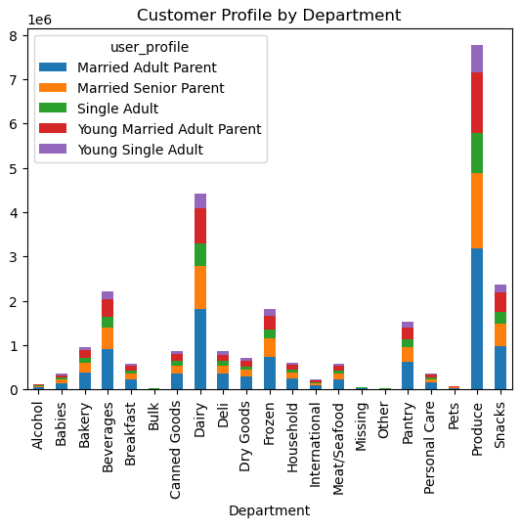
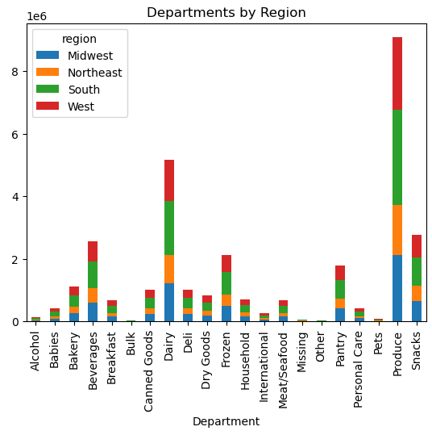

Observation |  | Observation | Observation |  |  | Observation
There are significantly more orders placed by middle income customers. |  | More orders are placed by customers with dependants. | There is no apparent difference between user profiles. A seen with previous visuals, married adult parents place the most orders. |  |  | There is no apparent difference between regions. All regions order from the produce department the most and the South region orders the most in general.

7. Recommendations
 |  |  | Title page

Recommendations

In this tab you should include any recommendations you would made to Instcart in terms of their marketing strategy based on the questions posed in the brief. Every key question has been covered in the Tasks of the Exercises - here you need to add an item - a visualisation or table/crosstable that is showing the answer in the data, acompanied by a comment from you. Please, list the questions below and add the answer underneath.

Question |  | Answer
Key Question 1 | The sales team needs to know what the busiest days of the week and hours of the day are (i.e., the days and times with the most orders) in order to schedule ads at times when there are fewer orders. | If the marketing team wishes to schedule ads while there are fewest order, they should avoid Saturday to Sunday and all days between 9AM and 5PM.
Key Question 2 | They also want to know whether there are particular times of the day when people spend the most money, as this might inform the type of products they advertise at these times. | Customers spend the most between 3AM to 5AM.
Key Question 3 | Instacart has a lot of products with different price tags. Marketing and sales want to use simpler price range groupings to help direct their efforts. | There is no applicable question here to answer. See tab 6 for results.
Key Question 4 | Are there certain types of products that are more popular than others? The marketing and sales teams want to know which departments have the highest frequency of product orders. | Produce has the most orders and is followed by Dairy and Snacks. All visuals regarding department orders show that Produce is the most in demand among all users and marketing should consider that in their strategy for attracting customers.
Key Question 5 | What’s the distribution among users in regards to their brand loyalty (i.e., how often do they return to Instacart)? | Regular customers use instacart the most. Consider loyalty rewards to increase the orders from loyal customers and first time buyer rewards to attract new customers.
Key Question 6 | Are there differences in ordering habits based on a customer’s loyalty status? | No. They shows the same habits based on department and time of day. The only difference is volume of orders.
Key Question 7 | Are there differences in ordering habits based on a customer’s region? | The most orders come from the South region and the least from the Northeast. There is no apparent difference in ordering habits per department. Marketing should continue their efforts in the other regions and consider changes in Northeast marketing to attract more business.
Key Question 8 | Is there a connection between age and family status in terms of ordering habits? | Yes. There is a significant difference such that married and middle aged customers order the most.
Key Question 9 | What different classifications does the demographic information suggest? Age? Income? Certain types of goods? Family status? | In addition to the results found for the previous questions, middle income customers order significantly more than the other groups and customers with dependents place more orders than those without. This paints a picture that the most active cutomer base is the standard family. Instacart is likely a great convenience to these busy parents and marketing should cater their ads to highlight this convenience.
Key Question 10 | What differences can you find in ordering habits of different customer profiles? Consider the price of orders, the frequency of orders, the products customers are ordering, and anything else you can think of. | No significant difference was found between user profiles and regions except for the volume of orders.

Overall | Marketing should focus on advertising the freshness of their produce department and cater towards the family dynamic where users are middle aged, married, have kids, and in the middle income bracket.

